Output Sheet
Buoyancy proof - Pipe

All data is per linear metre of pipe/tank

Project: | Standard example pipe
Easypipe Report Ref: | Demo DN1000

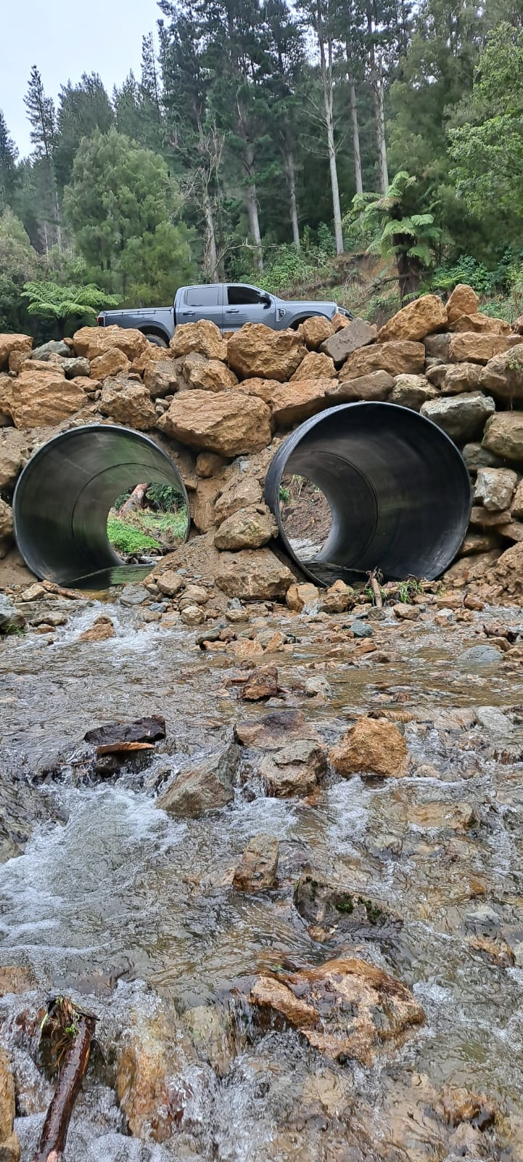
Major Inputs
Pipe ID | 1000 | mm
Pipe Profile | STD DN1000
Wall Thickness | 50 | mm
Pipe Weight/m | 80 | kgs
Internal Volume | 0.79 | m³/m

Cover Depth Used | 600 | mm
Therefore, IL | 1650 | mm
Ground water Depth (0=surface) | 0 | mm

Trenchfill Density | 1650 | kN/m³
Concrete Pavement Density | 2400 | kN/m³
Concrete Pavement Depth | 150 | mm

Safety Factor | 1.25

Calculations - per linear metre
Buoyant Forces | 9 | kN
With Safety factor | 12 | kN
Pipe & soil weight | 14 | kN
Mitigation required | 0 | kN
Checksum | -2 | kN

Is widening applied? | Y
Total width of widening | 0 | mm

Weight of mitigation | 0 | kgs
Volume of concrete per linear metre | 0.00 | m³
Strap width for mitigation | N/A | mm

If the checksum is negative, no mitigation is required. If it is zero, then the mitigation is needed.

This proof relies on the information supplied to INFRAPIPE; INFRAPIPE does not conduct site investigations
This proof should be read in conjunction with the relevant Easypipe or Pipespec Report
For further detail refer to the "INFRAPIPE Pipe & Trench Design Manual" and the "INFRAPIPE Easypipe, Mickey & Buoyancy Report Guide" available at www.infrapipe.co.nz

This report is produced for preliminary design, costing and feasibility studies. Nothing in this report affects the requirement for a final calculation by an appropriately qualified person

This report and other related materials supplied by INFRAPIPE are proprietary and confidential to INFRAPIPE. They may not be used in the assessment, presentation or specification of products not supplied by INFRAPIPE.

